Breakdown
School involved in press release

Row Labels | Count of School involved
SAT | 1
AoFE | 1
AoP | 3
Design | 3
School of Mathematics and Physics | 2
School of Science | 4
Grand Total | 14

Type of researcher

Row Labels | Count of Type
Alumni | 3
Domestic staff | 4
International staff | 4
PhD | 2
Postdoc | 1
Grand Total | 14

Global coverage
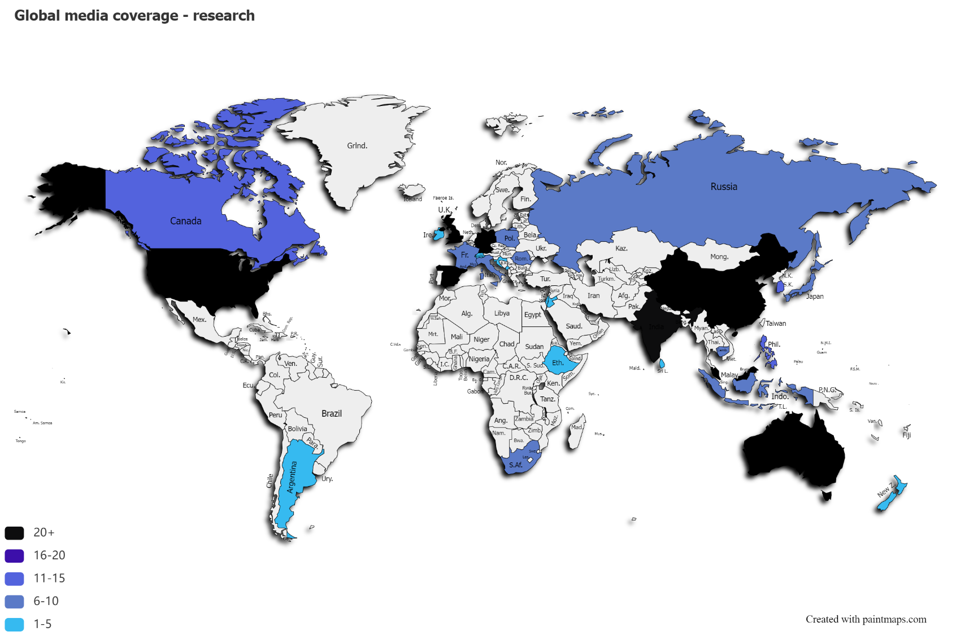
Global coverage

